2 data description Workbook
 | GDP per capita in GBP
1998 | 25,955
1999 | 26,642
2000 | 27,637
2001 | 28,125
2002 | 28,501
2003 | 29,258
2004 | 29,787
2005 | 30,348
2006 | 30,792
2007 | 31,328
2008 | 31,025
2009 | 29,417
2010 | 29,893
2011 | 29,961
2012 | 30,195
2013 | 30,552
2014 | 31,290
2015 | 31,786
2016 | 32,208
2017 | 32,799
2018 | 33,160
2019 | 33,510
2020 | 29,687
2021 | 31,793
2 Data Description Workbook |  |  | Year | GDP per capita in GBP
 |  |  | 1998 | 25,955
2.2 Variable: GDP per capita in £GBP (Adjusted for inflation) |  |  | 1999 | 26,642
 |  |  | 2000 | 27,637
Data from Statista |  |  | 2001 | 28,125
 |  |  | 2002 | 28,501
Statistics | Values |  | 2003 | 29,258
Mean | 30,235 |  | 2004 | 29,787
Median | 30,272 |  | 2005 | 30,348
Q1 | 29377.25 |  | 2006 | 30,792
Q3 | 31442.5 |  | 2007 | 31,328
IQR | 2065.25 |  | 2008 | 31,025
Max | 33,510 |  | 2009 | 29,417
Min | 25,955 |  | 2010 | 29,893
Range | 7,555 |  | 2011 | 29,961
sd | 1889.5670539 |  | 2012 | 30,195
variance | 3570463.651 |  | 2013 | 30,552
Q3+1.5IQR | 34540.375 |  | 2014 | 31,290
Q1-1.5IQR | 26279.375 |  | 2015 | 31,786
 |  |  | 2016 | 32,208
 |  |  | 2017 | 32,799
 |  |  | 2018 | 33,160
 |  |  | 2019 | 33,510
 |  |  | 2020 | 29,687
 |  |  | 2021 | 31,793

2.3 variable: govt exp on edu

Government spending on education per capita
Data from World Bank
 |  |  |  | spending per capita | % of GDP | GDP (millions) | spending (millions) | population (millions)
 |  |  | 1998 | 1101.0414364 | 4.21070004 | 1,529,040 | 64383.287892 | 58.4749
Statistics | Values |  | 1999 | 1070.4720911 | 3.98918009 | 1,574,760 | 62820.012385 | 58.6844
Mean | 1531.9987981 |  | 2000 | 1115.4004821 | 4.02314997 | 1,632,591 | 65681.584327 | 58.8861
Median | 1546.3706435 |  | 2001 | 1158.2235692 | 4.10855007 | 1,666,429 | 68466.069846 | 59.113
Q1 | 1414.363267 |  | 2002 | 1326.8436747 | 4.62854004 | 1,701,811 | 78769.00354 | 59.3657
Q3 | 1724.5560159 |  | 2003 | 1412.9318618 | 4.80573988 | 1,753,374 | 84262.593564 | 59.6367
IQR | 310.19274891 |  | 2004 | 1415.7946721 | 4.72940016 | 1,794,677 | 84877.456909 | 59.9504
Max | 1779.3653121 |  | 2005 | 1502.2677486 | 4.92918015 | 1,841,218 | 90756.952174 | 60.4133
Min | 1070.4720911 |  | 2006 | 1544.2916785 | 4.97325993 | 1,888,797 | 93934.78436 | 60.8271
Range | 708.89322095 |  | 2007 | 1546.3706435 | 4.90883017 | 1,931,663 | 94822.056127 | 61.3191
Sd | 230.82666946 |  | 2008 | 1522.6342679 | 4.88497019 | 1,927,034 | 94135.036451 | 61.8238
Variance | 54563.368721 |  | 2009 | 1495.5547967 | 5.04631996 | 1,845,186 | 93113.989417 | 62.2605
Q3+1.5*IQR | 2189.8451392 |  | 2010 | 1702.0345024 | 5.66824007 | 1,884,515 | 106818.83436 | 62.7595
Q1-1.5*IQR | 949.07414359 |  | 2011 | 1679.6782272 | 5.55959988 | 1,911,983 | 106298.60457 | 63.2851
 |  |  | 2012 | 1723.5890874 | 5.65960407 | 1,940,087 | 109801.24281 | 63.705
 |  |  | 2013 | 1696.2133767 | 5.50078011 | 1,976,755 | 108736.94586 | 64.1057
 |  |  | 2014 | 1753.7542181 | 5.56450987 | 2,035,883 | 113286.91048 | 64.5968
 |  |  | 2015 | 1769.3899359 | 5.51411009 | 2,089,276 | 115204.97872 | 65.11
 |  |  | 2016 | 1749.440921 | 5.37532997 | 2,136,566 | 114847.47253 | 65.6481
 |  |  | 2017 | 1779.3653121 | 5.38499022 | 2,182,170 | 117509.64108 | 66.0402
 |  |  | 2018 | 1725.5229443 | 5.16799021 | 2,218,196 | 114636.15212 | 66.4356
 |  |  | 2019 | 1758.3102308 | 5.20774984 | 2,255,283 | 117449.49682 | 66.7968
 |  |  | 2020 | 1686.8466779 | 5.53000021 | 2,046,209 | 113155.362 | 67.081

2.4 Variable: govt exp on social Protection
Government spending on social protection per capita
Data from statista and ONS

 | per capita | Spending as a % of GDP | GDP in £million | Spending in £million | population (million)
1998 | 3175.7215 | 12.144875216 | 1,529,040 | 185700 | 58.4749
1999 | 3360.3479 | 12.522543118 | 1,574,760 | 197200 | 58.6844
2000 | 3430.3511 | 12.372970328 | 1,632,591 | 202000 | 58.8861
2001 | 3579.5849 | 12.697810708 | 1,666,429 | 211600 | 59.113
2002 | 3690.6833 | 12.874520144 | 1,701,811 | 219100 | 59.3657
2003 | 3836.5637 | 13.049126997 | 1,753,374 | 228800 | 59.6367
2004 | 3908.2308 | 13.055274013 | 1,794,677 | 234300 | 59.9504
2005 | 3926.2878 | 12.88277651 | 1,841,218 | 237200 | 60.4133
2006 | 3919.3057 | 12.621790484 | 1,888,797 | 238400 | 60.8271
2007 | 4029.7395 | 12.792086404 | 1,931,663 | 247100 | 61.3191
2008 | 4186.0901 | 13.429965429 | 1,927,034 | 258800 | 61.8238
2009 | 4487.5965 | 15.142104915 | 1,845,186 | 279400 | 62.2605 |  |  | Statistics | Values
2010 | 4523.6179 | 15.064884068 | 1,884,515 | 283900 | 62.7595 |  |  | Mean | 4171.2753042
2011 | 4696.2081 | 15.54407126 | 1,911,983 | 297200 | 63.2851 |  |  | Median | 4402.4153
2012 | 4734.3223 | 15.5456946 | 1,940,087 | 301600 | 63.705 |  |  | Q1 | 3890.314025
2013 | 4612.6943 | 14.958859343 | 1,976,755 | 295700 | 64.1057 |  |  | Q3 | 4520.568475
2014 | 4648.8371 | 14.750356479 | 2,035,883 | 300300 | 64.5968 |  |  | IQR | 630.25445
2015 | 4650.5913 | 14.49305884 | 2,089,276 | 302800 | 65.11 |  |  | Max | 4734.3223
2016 | 4519.552 | 13.886769704 | 2,136,566 | 296700 | 65.6481 |  |  | Min | 3175.7215
2017 | 4473.0331 | 13.536983828 | 2,182,170 | 295400 | 66.0402 |  |  | Range | 1558.6008
2018 | 4459.9582 | 13.357701484 | 2,218,196 | 296300 | 66.4356 |  |  | Sd | 459.26326537
2019 | 4352.0049 | 12.889734902 | 2,255,283 | 290700 | 66.7968 |  |  | Variance | 210922.74692
2020 | 4452.8257 | 14.597726821 | 2,046,209 | 298700 | 67.081 |  |  | Q3+1.5*IQR | 5465.95015
2021 | 4456.4596 | 13.586703134 | 2,198,473 | 298700 | 67.0263 |  |  | Q1-1.5*IQR | 2944.93235

2.4 variable: govt exp on healthcare

Data from OurWorldInData.org and ONS

Government expenditure on healthcare per capita

Year | spending per capita | GDP in £million | spending in millions | Pop of UK (millions) | spending as % of GDP
1998 | 1376.203725 | 1,529,040 | 80473.3752 | 58.4749 | 5.263
1999 | 1465.9626545 | 1,574,760 | 86029.1388 | 58.6844 | 5.463
2000 | 1518.1967079 | 1,632,591 | 89400.68316 | 58.8861 | 5.476
2001 | 1617.2928413 | 1,666,429 | 95603.03173 | 59.113 | 5.737
2002 | 1749.5207726 | 1,701,811 | 103861.52533 | 59.3657 | 6.103
2003 | 1856.9622705 | 1,753,374 | 110743.10184 | 59.6367 | 6.316
2004 | 1994.9370693 | 1,794,677 | 119597.27528 | 59.9504 | 6.664
2005 | 2069.9999265 | 1,841,218 | 125055.52656 | 60.4133 | 6.792
2006 | 2172.3908935 | 1,888,797 | 132140.23812 | 60.8271 | 6.996 |  |  |  |  | Statistics | Values
2007 | 2203.8670411 | 1,931,663 | 135139.14348 | 61.3191 | 6.996 |  |  |  |  | Mean | 2243.9971806
2008 | 2276.640442 | 1,927,034 | 140750.56336 | 61.8238 | 7.304 |  |  |  |  | Median | 2400.9498054
2009 | 2397.892713 | 1,845,186 | 149293.99926 | 62.2605 | 8.091 |  |  |  |  | Q1 | 1960.4433696
2010 | 2404.0068978 | 1,884,515 | 150874.2709 | 62.7595 | 8.006 |  |  |  |  | Q3 | 2502.4966174
2011 | 2408.8198421 | 1,911,983 | 152442.40459 | 63.2851 | 7.973 |  |  |  |  | IQR | 542.05324778
2012 | 2423.2434281 | 1,940,087 | 154372.72259 | 63.705 | 7.957 |  |  |  |  | Max | 3246.559299
2013 | 2422.7742673 | 1,976,755 | 155313.64035 | 64.1057 | 7.857 |  |  |  |  | Min | 1376.203725
2014 | 2474.0670668 | 2,035,883 | 159816.8155 | 64.5968 | 7.85 |  |  |  |  | Range | 1870.3555739
2015 | 2496.1569658 | 2,089,276 | 162524.78004 | 65.11 | 7.779 |  |  |  |  | Sd | 459.40235935
2016 | 2529.4549198 | 2,136,566 | 166053.90952 | 65.6481 | 7.772 |  |  |  |  | Variance | 211050.52778
2017 | 2521.5155723 | 2,182,170 | 166521.3927 | 66.0402 | 7.631 |  |  |  |  | Q3+1.5*IQR | 3315.5764891
2018 | 2556.9039744 | 2,218,196 | 169869.44968 | 66.4356 | 7.658 |  |  |  |  | Q1-1.5*IQR | 1147.363498
2019 | 2645.6952411 | 2,255,283 | 176723.97588 | 66.7968 | 7.836
2020 | 3026.8678027 | 2,046,209 | 203045.31907 | 67.081 | 9.923
2021 | 3246.559299 | 2,198,473 | 217604.85754 | 67.0263 | 9.898

All References are included in the word document with their links attached in section 6 References

3 analysis workbook
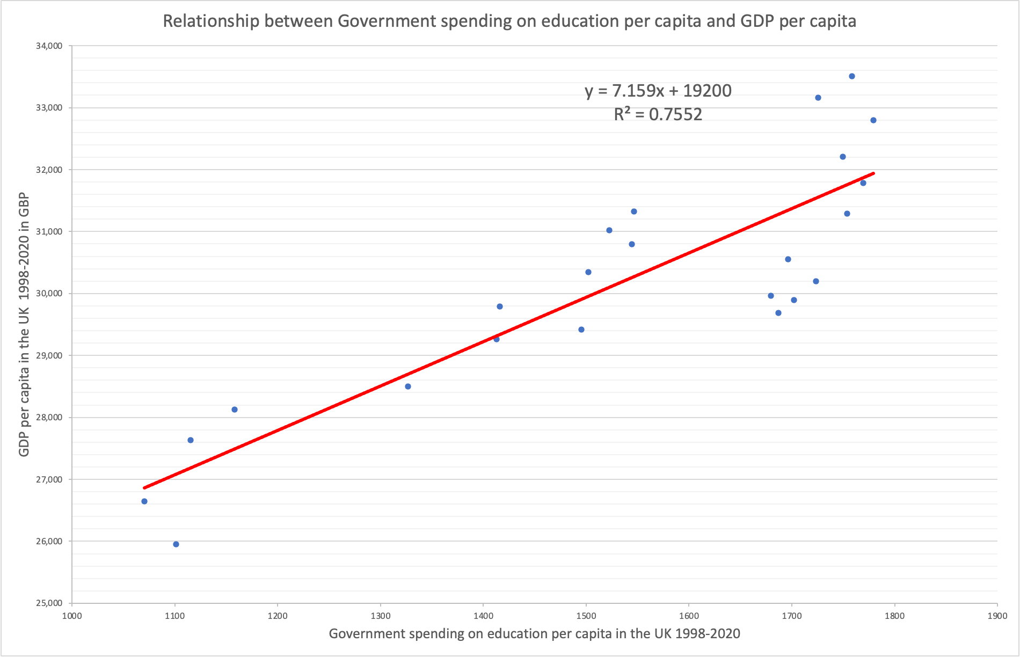
3 analysis workbook
Government spending on education
 |  | Government spending on education per capita in the UK 1998-2021 (in GBP) | GDP per capita in the UK 1998-2021 in GBP
 | 1998 | 1101.0414364 | 25,955 | r | 0.869
 | 1999 | 1070.4720911 | 26,642 | slope | 7.16
 | 2000 | 1115.4004821 | 27,637 | intercept | 19200
 | 2001 | 1158.2235692 | 28,125
 | 2002 | 1326.8436747 | 28,501
 | 2003 | 1412.9318618 | 29,258
 | 2004 | 1415.7946721 | 29,787
 | 2005 | 1502.2677486 | 30,348
 | 2006 | 1544.2916785 | 30,792
 | 2007 | 1546.3706435 | 31,328
 | 2008 | 1522.6342679 | 31,025
 | 2009 | 1495.5547967 | 29,417
 | 2010 | 1702.0345024 | 29,893
 | 2011 | 1679.6782272 | 29,961
 | 2012 | 1723.5890874 | 30,195
 | 2013 | 1696.2133767 | 30,552
 | 2014 | 1753.7542181 | 31,290
 | 2015 | 1769.3899359 | 31,786
 | 2016 | 1749.440921 | 32,208
 | 2017 | 1779.3653121 | 32,799
 | 2018 | 1725.5229443 | 33,160
 | 2019 | 1758.3102308 | 33,510
 | 2020 | 1686.8466779 | 29,687

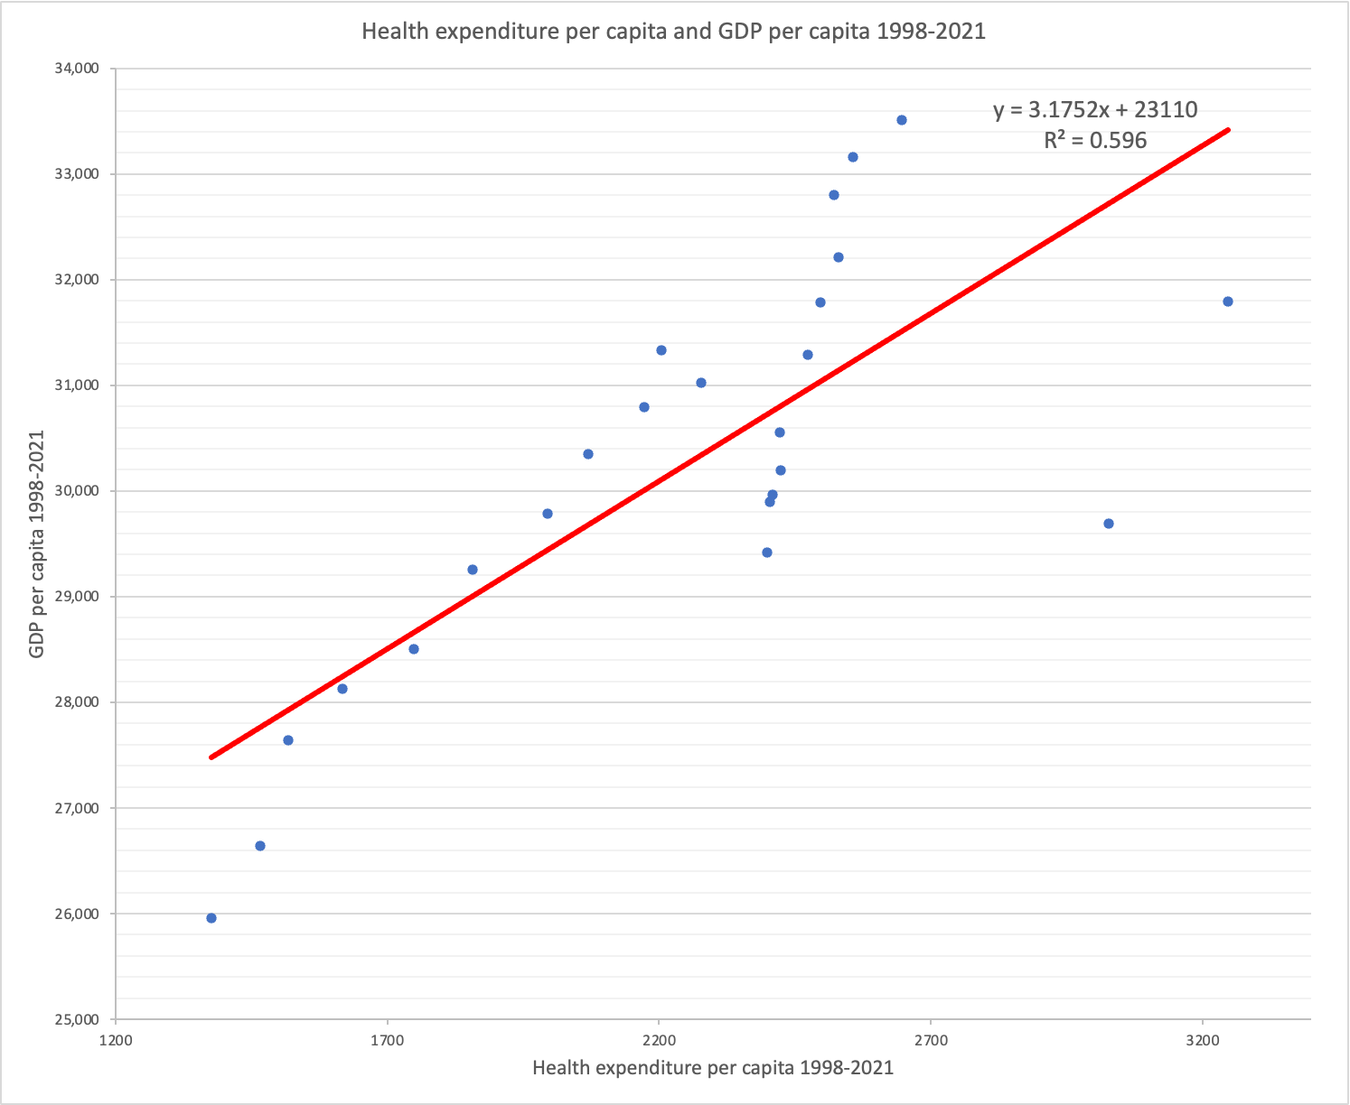

 | Healthcare expenditure vs. GDP, 2019 united kingdom

 | Year | Government health expenditure per capita | GDP per capita
 | 1998 | 1376.203725 | 25,955
 | 1999 | 1465.9626545 | 26,642 | r | 0.7720
 | 2000 | 1518.1967079 | 27,637 | slope | 3.1752
 | 2001 | 1617.2928413 | 28,125 | intercept | 23110
 | 2002 | 1749.5207726 | 28,501
 | 2003 | 1856.9622705 | 29,258
 | 2004 | 1994.9370693 | 29,787
 | 2005 | 2069.9999265 | 30,348
 | 2006 | 2172.3908935 | 30,792
 | 2007 | 2203.8670411 | 31,328
 | 2008 | 2276.640442 | 31,025
 | 2009 | 2397.892713 | 29,417
 | 2010 | 2404.0068978 | 29,893
 | 2011 | 2408.8198421 | 29,961
 | 2012 | 2423.2434281 | 30,195
 | 2013 | 2422.7742673 | 30,552
 | 2014 | 2474.0670668 | 31,290
 | 2015 | 2496.1569658 | 31,786
 | 2016 | 2529.4549198 | 32,208
 | 2017 | 2521.5155723 | 32,799
 | 2018 | 2556.9039744 | 33,160
 | 2019 | 2645.6952411 | 33,510
 | 2020 | 3026.8678027 | 29,687
 | 2021 | 3246.559299 | 31,793

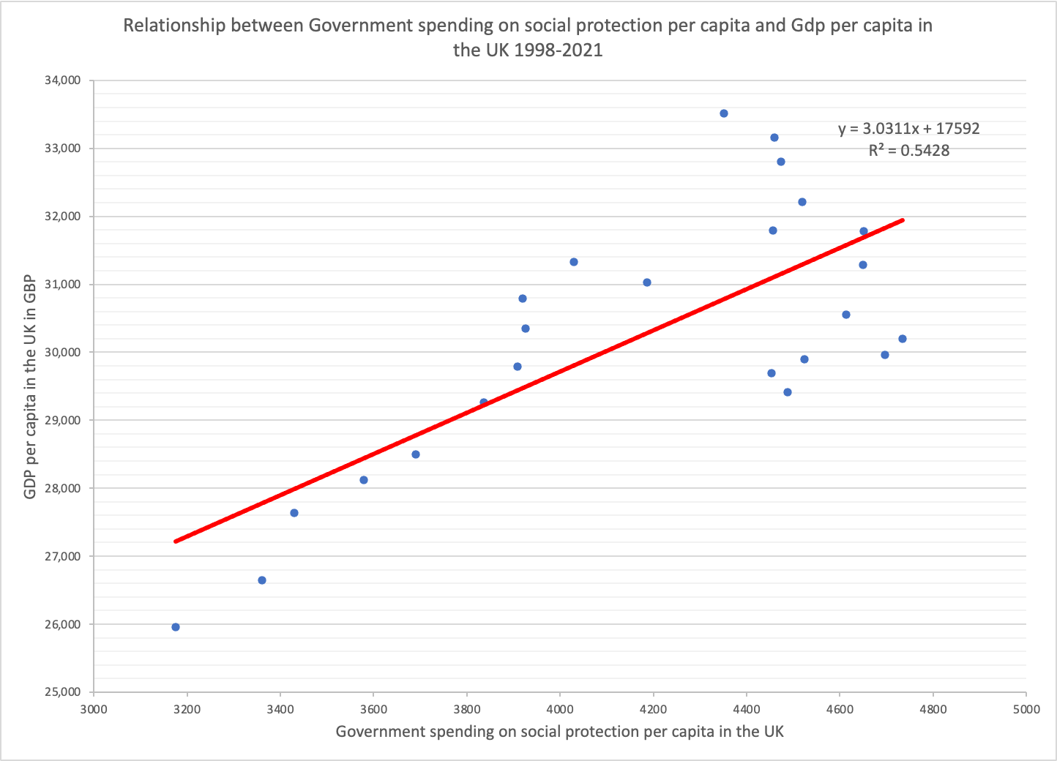
 | Government Expenditure for social protection
 |  | Government spending on social protection per capita in the UK 1998-2021 | GDP per capita in the UK 1998-2021 in GBP
 | 1998 | 3175.7215 | 25,955 | r | 0.737
 | 1999 | 3360.3479 | 26,642 | slope | 3.0311
 | 2000 | 3430.3511 | 27,637 | intercept | 17592
 | 2001 | 3579.5849 | 28,125
 | 2002 | 3690.6833 | 28,501
 | 2003 | 3836.5637 | 29,258
 | 2004 | 3908.2308 | 29,787
 | 2005 | 3926.2878 | 30,348
 | 2006 | 3919.3057 | 30,792
 | 2007 | 4029.7395 | 31,328
 | 2008 | 4186.0901 | 31,025
 | 2009 | 4487.5965 | 29,417
 | 2010 | 4523.6179 | 29,893
 | 2011 | 4696.2081 | 29,961
 | 2012 | 4734.3223 | 30,195
 | 2013 | 4612.6943 | 30,552
 | 2014 | 4648.8371 | 31,290
 | 2015 | 4650.5913 | 31,786
 | 2016 | 4519.552 | 32,208
 | 2017 | 4473.0331 | 32,799
 | 2018 | 4459.9582 | 33,160
 | 2019 | 4352.0049 | 33,510
 | 2020 | 4452.8257 | 29,687
 | 2021 | 4456.4596 | 31,793

 | All data used was from 2 Data description workbook

